Intro
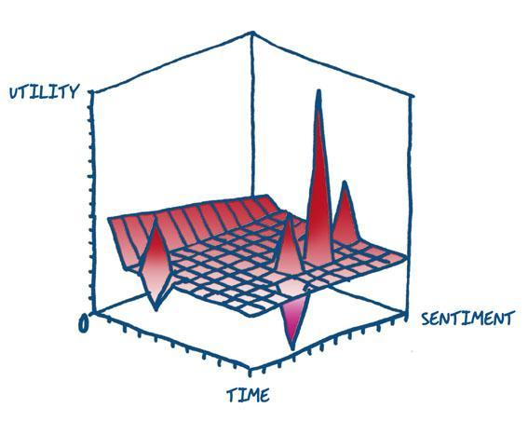
Error Typology Benchmark
TAUS Dynamic Quality Evaluation

